Project_Schedule
Deadline
...
Today
...
 |  |  |  |  |  | 2022-05-09
2022-05-03 | 2022-05-04 | 2022-05-05 | 2022-05-06 | 2022-05-07 | 2022-05-08 | 2022-05-09 | 2022-05-10 | 2022-05-11 | 2022-05-12 | 2022-05-13 | 2022-05-14 | 2022-05-15
T | W | T | F | S | S | M | T | W | T | F | S | S
...

Attendance
 |  | Assisted | Assisted late (past 15 min.) | Did not assist | No meeting held |  |  |  | Assisted | Assisted late (past 15 min.) | Did not assist | No meeting held |  |  |  | Assisted | Assisted late (past 15 min.) | Did not assist
 |  |  |  |  |  |  |  |  |  | April
Tues | Wed | Thurs | Fri | Sat | Sun | Mon | Tues | Wed | Thurs | Fri | Sat | Sun | Mon | Tues | Wed | Thurs | Fri | Sat
22-Mar-22 | 23-Mar-22 | 24-Mar-22 | 25-Mar-22 | 26-Mar-22 | 27-Mar-22 | 28-Mar-22 | 29-Mar-22 | 30-Mar-22 | 31-Mar-22 | 1-Apr-22 | 2-Apr-22 | 3-Apr-22 | 4-Apr-22 | 5-Apr-22 | 6-Apr-22 | 7-Apr-22 | 8-Apr-22 | 9-Apr-22
...
COVID outbreak
...
 | 3 |  | 3 |  |  |  |  |  |  |  |  |  |  |  | 3 |  | 2
 | 3 |  | 3 |  |  |  |  |  |  |  |  |  |  |  | 3 |  | 3
 | 3 |  | 3 |  |  |  |  |  |  |  |  |  |  |  | 3 |  | 2
 | 3 |  | 2 |  |  |  |  |  |  |  |  |  |  |  | 3 |  | 2
 | 3 |  | 3 |  |  |  |  |  |  |  |  |  |  |  | 3 |  | 3
 | 3 |  | 3 |  |  |  |  |  |  |  |  |  |  |  | 3 |  | 3
 | 3 |  | 3 |  |  |  |  |  |  |  |  |  |  |  | 3 |  | 2
...

System Team
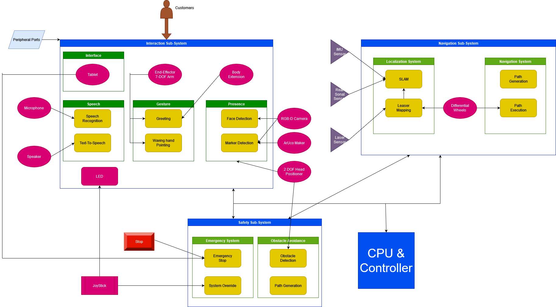
System Team
Name | Role | Area | Sub-System | System Element | Responsibilities | Next Steps
Balaji Vedal | Design Engineer | Software | Navigation | Path Planning & Path Generation | *Develop next steps list *Brief the team with the next steps *Present advance report | 1.Install ROS TIAGo workspace in Ubunto/ due: 3.21.22 2. Deploy ROS Gazebo Simulation in computer / due: 3.21.22 3. Deploy Gazebo Simulation for TIAGo and tun simple node to run in TIAGo/ due: 3.21.22 4. Deploy autonomous navigation simulation on Gazebo and RViz / Done 5. Connect to TIAGo robot in lab using ROS / Due 29.03.2022 6. Deploy a node on the TIAGo robot in lab / Due 29.03.2022 7. Map the AIRC lab and localise the robot
Jonathan Arreola | Systems Engineer / Design Engineer | Software | Human Robot Interaction | Robot Arm, Torso, Head, lights | *Develop next steps list *Brief the team with the next steps *Present advance report | 1.Install ROS TIAGo workspace in Ubunto/ due: 3.21.22 2. Deploy ROS Gazebo Simulation in computer / due: 3.21.22 3. Deploy Gazebo Simulation for TIAGo and tun simple node to run in TIAGo/ due: 3.21.22 4. Deploy a pre defined command in TIAgo using the terminal / due: 3.22.23 5. Learn how to connect with PAL TIAGo (Physical Platform)/ due: 3.22.24 6. Deploy a predefined command in PAL TIAGo (Physical Platform) / due: 3.22.25 7. Write a bespoke arm/torso/head path and deploy in the simulation / due: 3.28.24 8. Write a bespoke arm/torso/head path and deploy in the (Physical Platform) / due: 3.28.28 --> Problem to deploy C++ files. It was done in Phyton.
Krishna Keshav | Design Engineer | Software | Navigation | Path Planning & Path Generation | *Develop next steps list *Brief the team with the next steps *Present advance report | 1.Install ROS TIAGo workspace in Ubunto/ due: 3.21.22 2. Deploy ROS Gazebo Simulation in computer / due: 3.21.22 3. Deploy Gazebo Simulation for TIAGo and tun simple node to run in TIAGo/ due: 3.21.22 4. Start PAL TIAGo in lab / Due 25.03.2022 5. Deploy autonomous navigation simulation on Gazebo and RViz / Done 6. Connect to TIAGo robot in lab using ROS / Due 29.03.2022 7. Deploy a node on the TIAGo robot in lab / Due 29.03.2022 8. Deploy a path planning algorithm in simulation / Due 29.03.2022 9. Test different path planning algorithms in simulations / Due 06.04.2022 10. Deploy a path planning algorithm onto TIAGo robot in lab / Due 06.04.2022
Kshitij Raje | Design Engineer | Software | Human Robot Interaction | Speech Recognition | *Develop next steps list *Brief the team with the next steps *Present advance report | 1.Install ROS TIAGo workspace in Ubunto/ due: 3.21.22 2. Deploy ROS Gazebo Simulation in computer / due: 3.21.22 3. Deploy Gazebo Simulation for TIAGo and tun simple node to run in TIAGo/ due: 3.21.22 4. Check the PAL TIAGo functionality and predefined TTS outputs (The Actual Robot) /due 21.03.22 5. Access TTS in Webcommander using Ubuntu Terminal /due 28.03.22 6. Run Basic commands like 'Hello' on TiaGo robot using Ubuntu Terminal /due 3.28.22 7. Find how to connect Google Speech API and Acapela nodes on ROS /due 28.03.22 8. Run the Hotel Receptionist script on PAL TIAGo using program/Ubuntu terminal /due 29.03.22 9. Try to implement Google speech API on PAL TIAGo in similar way and run basic commands like Move in a certain direction and Stop /due 5.4.22 10. Using NLP and Google speech API, make PAL TIAGo respond with its basic TTS answers in Simulation /due 06.04.22 11. Implement step 11 on real robot PAL TIAGo (Yuuni) /due 08.04.22
Manideep Reddy | Design Engineer | Software | Navigation | Computer Vision & SLAM | *Develop next steps list *Brief the team with the next steps *Present advance report | 1.Install ROS TIAGo workspace in Ubunto/ due: 3.21.22 2. Deploy ROS Gazebo Simulation in computer / due: 3.21.22 3. Deploy Gazebo Simulation for TIAGo and tun simple node to run in TIAGo/ due: 3.21.22 4. Startup the Tiago (physical world) 5.use web commander interface/Controller to access the TIago 6. Get root access of the Tiago 7. Get the List of Nodes in ROS of tiago 8. Get the RQT graphs of the nodes of the ROS on TIago (physical ) 25/03/22 9. Deploy the navigation node and visualize the sensor data. 25/03/22 10. Deploy predicted Navigation Stacks on the real robot 25/03/22 11. Understand the difficulties between the real and theoretical 28/03/22
Shuhua Cao | Design Engineer | Software | Navigation | Object Detection & SLAM | *Develop next steps list *Brief the team with the next steps *Present advance report | 1.Install ROS TIAGo workspace in Ubunto/ due: 3.21.22 2. Deploy ROS Gazebo Simulation in computer / due: 3.21.22 3. Deploy Gazebo Simulation for TIAGo and tun simple node to run in TIAGo/ due: 3.21.22 4. Go through the TIAGo ROS architecture 03/25/2022 5. Research and deploy the detection algorithms which includes the functions: 03/28/2022 Human detection, Human avoidance, Navigation to / away from human 6. Research and deploy the SLAM, achieve the environment construction by robot RGB-D camera. 03/31/2022
Sudhanshu Upadhye | Design Engineer | Software | Human Robot Interaction | Text to Speech | *Develop next steps list *Brief the team with the next steps *Present advance report | 1.Install ROS TIAGo workspace in Ubunto/ due: 3.21.22 2. Deploy ROS Gazebo Simulation in computer / due: 3.21.22 3. Deploy Gazebo Simulation for TIAGo and tun simple node to run in TIAGo/ due: 3.21.22 4. Check the PAL TIAGo functionality and predefined TTS outputs (The Actual Robot) /due 21.03.22 5. Search Google Speech API packages in ROS /due 23.03.22 6. Run Basic commands like 'Hello' on TiaGo robot using Ubuntu Terminal /due 3.25.22 7. Find how to connect Google Speech API and Acapela nodes on ROS /due 25.03.22 8. Check how the Google Speech API can be implemented on mobile robots /due 25.03.22 9. Try to implement Google speech API on PAL TIAGo in similar way and run basic commands like Move in a certain direction and Stop /due 30.3.22 10. Using NLP and Google speech API, make PAL TIAGo respond with its basic TTS answers in Simulation /due 06.04.22 11. Implement step 11 on real robot PAL TIAGo (Yuuni) /due 08.04.22
 |  |  | Safety (All)

